bug for sum negative method
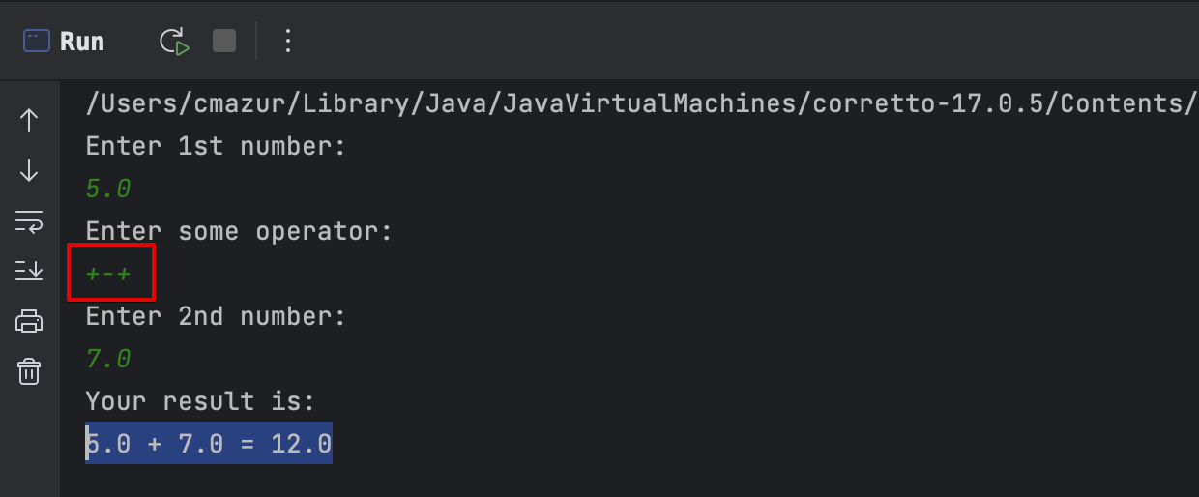
Bug report
ID | 21
Summary | Sum negative scenario does not throw any exception when there is used multiple operations at the same time
Pre-conditions | Open IntellijIDEA and launch ‘Calculator program’
Severity: | low
Priority: | low
Type of bug: | Functional

Steps | 1. Enter 1st number. Test value = 5.0
 | 2. Choose operation: +, -, *, /. Test operation is +-+ (typo)
 | 3. Enter 2nd number. Test value = 7.0
 | 4. Check results

Expected result: | The program is throwing some kind of notification/exception when there have been entered multiple valid operations at the same.
Actual result: | The program does not throw any notification/exception when there have been entered multiple valid operations and calculates data based on 1st present valid operation.

